Kitchen Doors & Panels
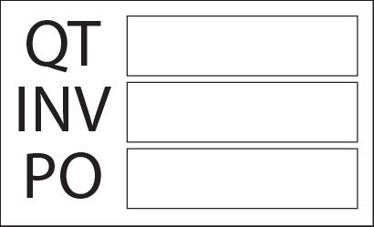
 | Customer Information |  |  |  |  |  |  | Order Details

 | Name * |  |  |  |  |  |  | Date

 | Phone * |  |  |  |  |  |  | Form Type

 | Email |  |  |  |  |  |  | Delivery Options |  |  | PICKUP

 | Delivery Address |  |  |  |  |  |  | Hinges

 |  |  |  |  |  |  |  | Hinge Type

 |  |  |  |  |  |  |  | (Options) Own Hinges

 | Material Information |  |  |  |  |  |  | Paint Information

 | Order Default Thickness* |  |  | 18mm |  |  |  | Paint Options

 | Design Code* |  |  |  |  |  |  | Paint Finish

 | Edges |  |  |  |  |  |  | Custom Paint Brand |  |  |  |  |  | Email completed Quote Form to:

 |  |  |  |  |  |  |  | Custom Paint Colour |  |  |  |  |  | sales@sydneydoors.com.au

 | QTY | HEIGHT max 3600 mm | WIDTH max 1200 mm | Item Type | Door Edges |  |  |  | Doors Drilled for Hinges |  | Hinge Hole Positions |  | Comments
 |  |  |  |  | X - Chosen Edge Type (standard) F - Full Handle SN - Shark Nose Handle PANELS S - Square Edges D - Double Front Edges |  |  |  | Looking at the front of the door |  | Distance in mm from top and bottom of doors. Extra’s in “Comments” |  | Note: Panels with “D” double front edges require painting on the back. Write: either “full painted back” or “100mm painted on back” here. Enter extra hinge hole positions here.
 |  |  |  |  | Left | Right | Top | Bottom | Left Hinged Qty | Right Hinged Qty | Top (mm) | Bottom (mm)

1
2
3
4
5
6
7
8
9
10
11
12
13
14
15
16
17
18
19
20
21
22
23
24
25
26
27
28
29
30
31
32
33
34
35
36
37
38
39
40
41
42
43
44
45
46
47
48
49
50
51
52
53
54
55
56
57
58
59
60
61
62
63
64
65
66
67
68
69
70
71
72
73
74
75
Total | 0

Extras - Kitchen
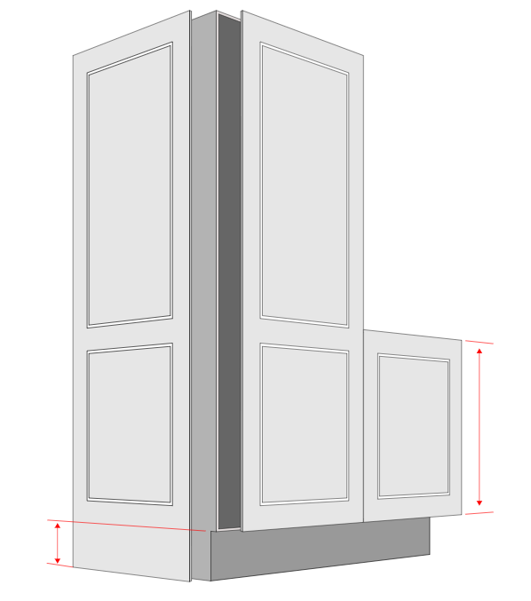
END PANELS & PANTRY DOORS
 | For 2-Pattern Pantry Doors with an adjacent end panel and a small door, please provide the height of the small door so it aligns with the bottom pattern and the end panel kickboard.

 | Height of Door to Match Bottom Pattern

 | Kickboard Height

CORNER DOORS & BIFOLD DOORS | DRAWER FRONTS
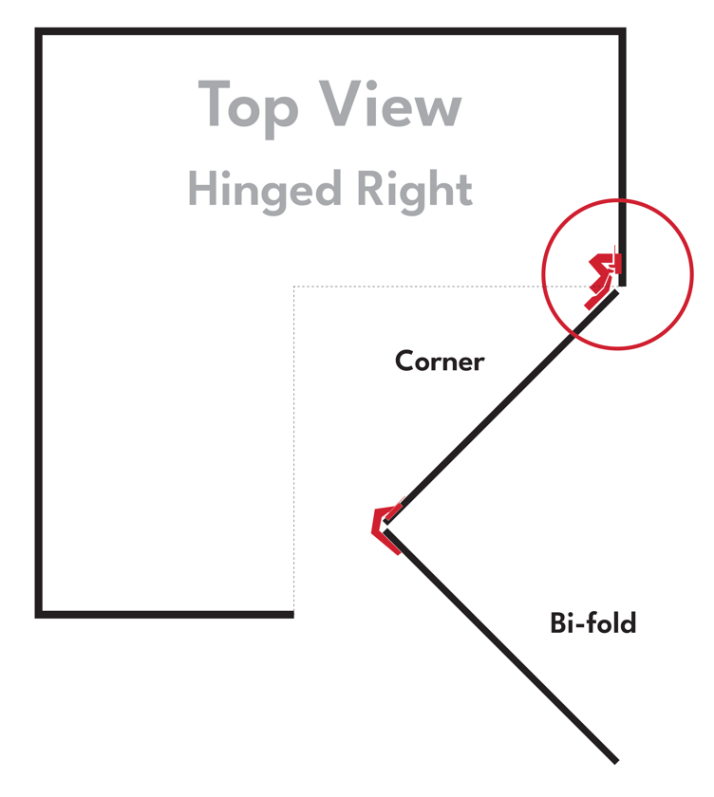
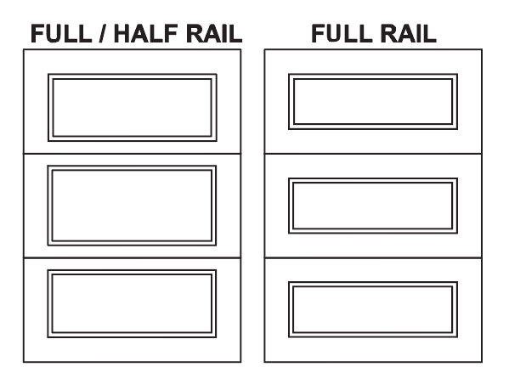

BAR FRONTS
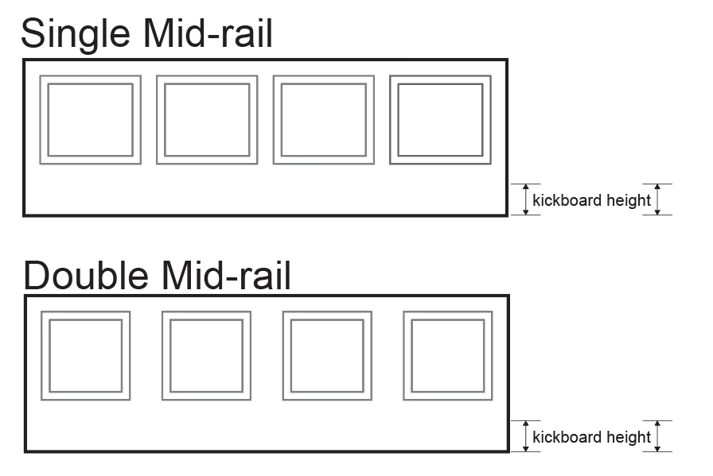
 | How many patterns
 | 5

 | Kickboard Height

 | How many patterns

 | Kickboard Height

